Sheet1
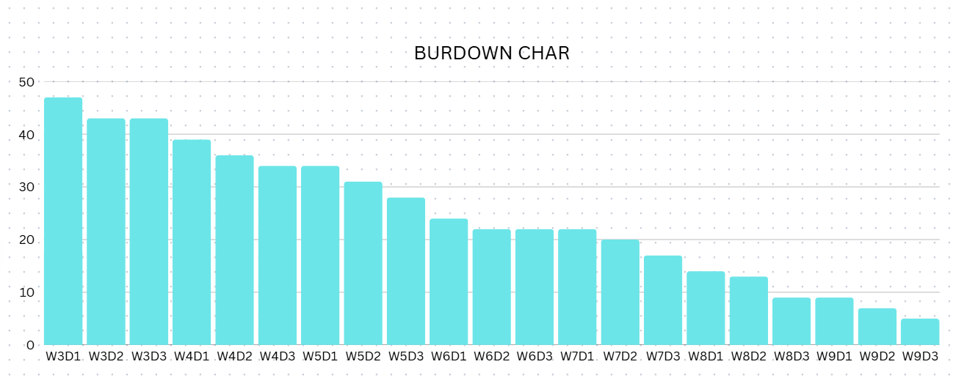
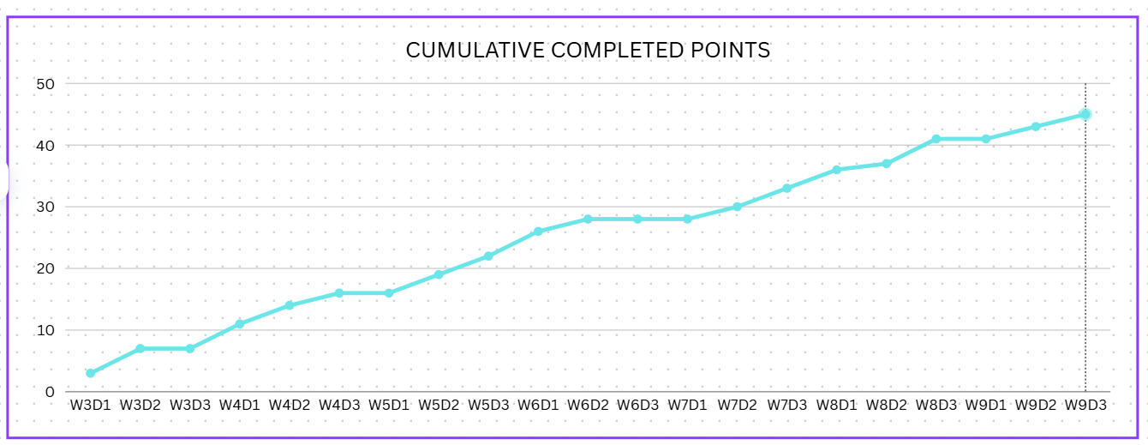
Title： | Total points |  | 50 | 1 | 2 | 3 | 4 | 5 | 6 | 7 | 8 | 9 | 10 | Actual Velocity
App Interface Prototype | 3 | DONE | 1 | 0 |  |  |  |  |  |  |  |  |  | 0
User Registration & Login | 4 | DONE | 2 |  | 0 |  |  |  |  |  |  |  |  | 0
Booking a Cleaning Service | 4 | DONE | 3 |  |  | 7 |  |  |  |  |  |  |  | 7
Viewing Available Time Slots | 3 | DONE | 4 |  |  |  | 9 |  |  |  |  |  |  | 9
Cleaner Profile and Rating System | 2 | DONE | 5 |  |  |  |  | 6 |  |  |  |  |  | 6
Real-Time Chat with Cleaners | 3 | DONE | 6 |  |  |  |  |  | 6 |  |  |  |  | 6
Booking Status Notification | 3 | DONE | 7 |  |  |  |  |  |  | 5 |  |  |  | 5
Payment Integration | 4 | DONE | 8 |  |  |  |  |  |  |  | 8 |  |  | 8
Rebooking and Service History | 2 | DONE | 9 |  |  |  |  |  |  |  |  | 4 |  | 4
Cleaner Availability Management | 2 | X | 10 |  |  |  |  |  |  |  |  |  | 0 | 0
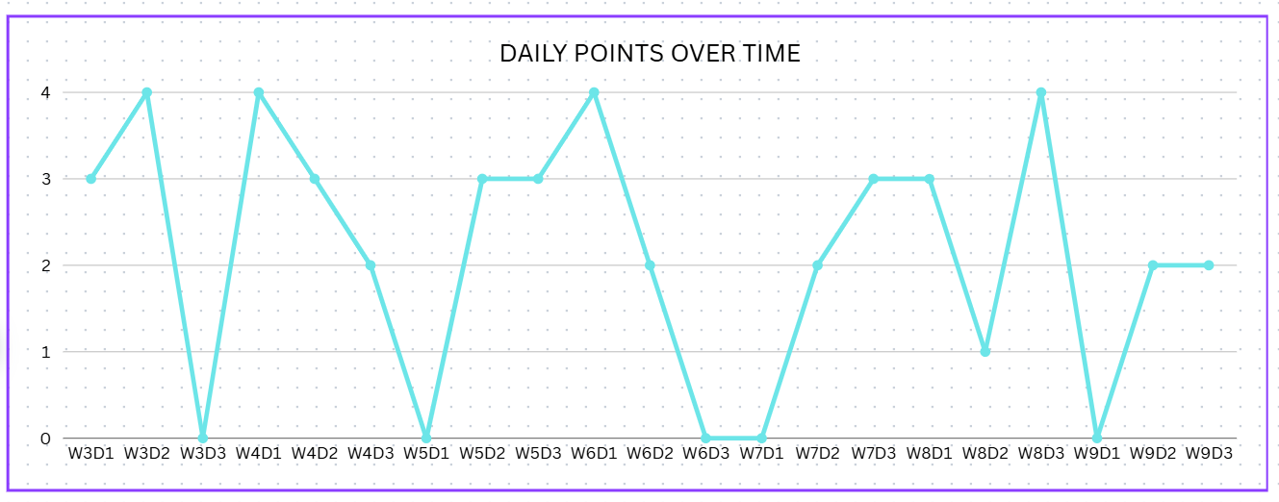
Admin Dashboard & Monitoring | 3 | X
Review and Rating Submission | 2 | DONE
Feedback System for App Improvement | 1 | DONE
Push Notification for Booking Reminder | 2 | DONE
Emergency Cancellation Option | 3 | DONE
Multilingual Support | 1 | DONE
Cleaner Verification Process | 4 | DONE
Promotional Offers and Discount Codes | 2 | DONE
Location-based Booking Suggestions | 2 | DONE
 | 50

